Masonry
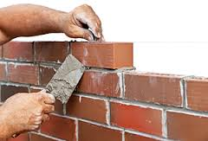
Brick Masonry Work

Masonry Work for Ft |  |  |  | Masonry Work for Meter
Masonry Volume | 1 | Cft |  | Masonry Volume | 2 | Cu.m
No of Bricks | 13.50 | No |  | No of Bricks | 1000 | No
Ratio | 1 | : | 6 | Ratio | 1 | : | 5
Cement | 0.03 | Bags |  | Cement | 2.86 | Bags
Sand | 0.26 | Cft |  | Sand | 0.50 | Cu.m

Block Masonry Work

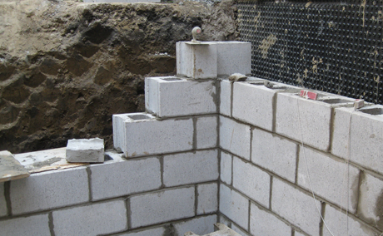
Masonry Work for Ft (8"X4"X16") |  |  |  | Masonry Work for Meter (8"X4"X16")
Masonry Volume | 100 | Cft |  | Masonry Volume | 10 | Cu.m
No of Bricks | 340 | No |  | No of Bricks | 1192 | No
Ratio | 1 | : | 6 | Ratio | 1 | : | 5
Cement | 3.43 | Bags |  | Cement | 14.29 | Bags
Sand | 25.71 | Cft |  | Sand | 2.50 | Cu.m
Masonry Work for Ft (8"X8"X16") |  |  |  | Masonry Work for Meter (8"X8"X16")
Masonry Volume | 100 | Cft |  | Masonry Volume | 5 | Cu.m
No of Bricks | 167 | No |  | No of Bricks | 298 | No
Ratio | 1 | : | 6 | Ratio | 1 | : | 5
Cement | 3.43 | Bags |  | Cement | 7.14 | Bags
Sand | 25.71 | Cft |  | Sand | 1.25 | Cu.m
Masonry Work for Ft (8"X6"X16") |  |  |  | Masonry Work for Meter (8"X6"X16")
Masonry Volume | 100 | Cft |  | Masonry Volume | 20 | Cu.m
No of Bricks | 224 | No |  | No of Bricks | 1589 | No
Ratio | 1 | : | 6 | Ratio | 1 | : | 5
Cement | 3.43 | Bags |  | Cement | 28.57 | Bags
Sand | 25.71 | Cft |  | Sand | 5.00 | Cu.m

Plaster
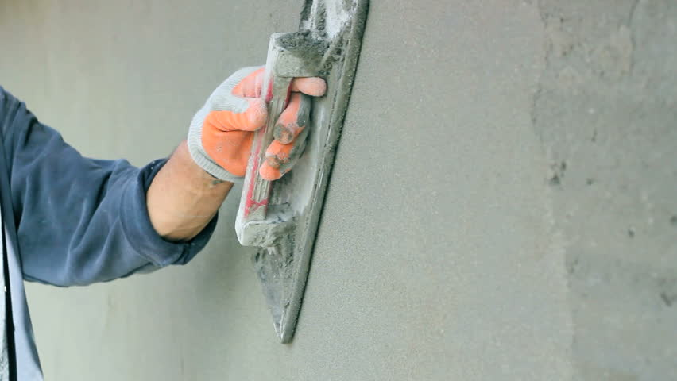
Plaster Work

Plaster Work for Ft |  |  |  | Plaster Work for Meter
Plaster Area | 50 | Sft |  | Plaster Area | 250 | Sq.m
Thickness | 0.75 | Inch |  | Thickness | 12.5 | mm
Ratio | 1 | : | 4 | Ratio | 1 | : | 4
Cement | 0.64 | Bags |  | Cement | 22.68 | Bags
Sand | 3.18 | Cft |  | Sand | 3.18 | Cu.m

Tile
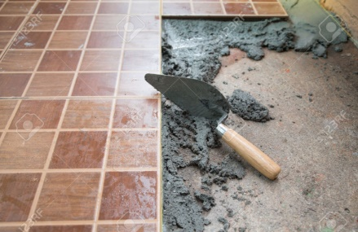
Tile Work

Tile Work for Ft |  |  | Tile Work for Meter
Floor Area | 1 | Sft | Floor Area | 50 | Sq.m
Area of 1 Tile | 2 | Sft | Area of 1 Tile | 0.19 | Sq.m
No of Tile | 0.50 | No | No of Tile | 268.74 | No

Converter
Converter
Length |  |  |  | Area |  |  |  | Volume |  |  |  | Weight
Feet to Meter |  | Meter to Feet |  | Sft to Sq.m |  | Sq.m to Sft |  | Cft to Cu.m |  | Cu.m to Cft |  | Lbs to Kg
Ft | Meter | Meter | Ft | Sft | Sq.m | Sq.m | Sft | Cft | Cu.m | Cu.m | Cu.ft | Lbs | Kg
1 | 0.305 | 1 | 3.281 | 1 | 0.093 | 1 | 10.764 | 1 | 0.028 | 1 | 35.315 | 1 | 0.454
Feet to Centimeter |  | Meter to Inch |  | Sq.in to Sq.Cm |  | Sq.Cm to Sq.in |  | Cu.in to Cu.Cm |  | Cu.Cm to Cu.in |  | Kg to Lbs
Ft | Centimeter | Meter | Inch | Sq.in | Sq.cm | Sq.cm | Sq.in | Cu.in | Cu.cm | Cu.cm | Cu.in | Kg | Lbs
1 | 30.480 | 1 | 39.370 | 1 | 0.001 | 1 | 0.155 | 1 | 16.387 | 1 | 61023.700 | 1 | 2.205
Feet to Millimeter |  | Meter to Centimeter |  | Sq.in to Sq.mm |  | Sq.mm to Sq.in |  | Cu.in to Cu.mm |  | Cu.mm to Cu.in |  | Kg to Ton
Ft | Millimeter | Meter | Centimeter | Sq.in | Sq.mm | Sq.mm | Sq.in | Cu.in | Cu.mm | Cu.mm | Cu.in | Kg | Ton
1 | 304.800 | 1 | 100.000 | 1 | 645.160 | 1 | 0.002 | 1 | 0.000 | 1 | 0.000 | 1 | 0.001
Inch to Centimeter |  | Meter to Millimeter |  |  |  |  |  |  |  |  |  | Ton to Kg
Inch | Centimeter | Meter | Millimeter |  |  |  |  |  |  |  |  | Ton | Kg
1 | 2.540 | 1 | 1000.000 |  |  |  |  |  |  |  |  | 1 | 1000.000
Inch to Millimeter |  | Centimeter to Feet
Inch | Millimeter | Centimeter | Ft
1 | 25.400 | 1 | 0.033
Sooter to Millimeter |  | Centimeter to Inch
Sooter | Millimeter | Centimeter | Inch
1 | 3.048 | 1 | 0.394
Mile to Km |  | Centimeter to Meter
Mile | Km | Centimeter | Meter
1 | 1.609 | 1 | 0.010
Km to Mile |  | Centimeter to Millimeter
Km | Mile | Centimeter | Millimeter
1 | 0.621 | 1 | 10.000
Mile to Meter |  | Millimeter to Feet
Mile | Meter | Millimeter | Ft
1 | 1609.340 | 1 | 0.003
Mile to Feet |  | Millimeter to Inch
Mile | Ft | Millimeter | Inch
1 | 5280.000 | 1 | 0.039
Km to Meter |  | Millimeter to Meter
Km | Meter | Millimeter | Meter
1 | 1000.000 | 1 | 0.001
Km to Feet |  | Millimeter to Centimeter
Km | Ft | Millimeter | Centimeter
1 | 3280.840 | 1 | 0.100

