Drawing
Lectured By: Engr WASEEM RAJA
Join @ fb.com/EngrWaseemRaja
 |  |  | 1000 |  |  |  |  |  |  |  |  | 2500 |  |  |  |  |  |  |  |  |  |  |  | 1000

 |  | Landing No. 1 |  |  |  |  |  |  |  |  |  |  |  |  |  |  |  |  |  |  |  |  | Landing No. 2

2500
 |  |  |  |  |  | 100

Waist Slab
 |  |  |  |  |  |  |  |  |  |  |  |  |  |  |  |  |  |  |  |  |  | 1200
 |  |  |  |  |  | UP

 |  |  |  |  |  |  |  |  |  |  |  |  |  |  |  |  |  |  |  |  |  |  |  |  | 1000 |  |  | 250
 | Note: Only Blue Color Text are Input Values
 |  |  |  |  |  |  |  |  |  |  |  |  |  |  |  |  |  |  |  |  |  |  |  |  |  |  |  |  | 200
 | No. of Risers = |  |  |  | 11 |  |  |  |  |  |  | T | 10 | @ | 200 |  | C/C
 | No. of Treads = |  |  |  | 10 |  |  |  |  |  |  | Extra Bars
 |  |  |  |  |  |  |  |  |  |  |  |  |  |  |  | 450

 |  |  |  |  |  |  |  |  | Tread
 |  |  |  |  |  |  |  |  | 250
 |  |  |  |  |  |  | Riser | 150 | 292 |  |  |  |  |  |  |  |  |  |  |  |  | Cover for Stair = |  |  |  |  | 25 | mm
 |  |  |  |  |  |  |  |  |  |  |  |  |  |  |  |  |  |  |  |  |  | Cover for Beam = |  |  |  |  | 30 | mm

 |  |  |  |  |  |  |  |  |  |  |  |  |  |  |  |  |  | T | 8 | @ | 150 |  | C/C
 |  |  |  |  |  |  |  |  |  |  | 125 |  |  |  |  |  |  |  | Dist. Bars

 | 250 |  |  | 1000
 |  |  |  |  |  |  |  |  |  | T | 10 | @ | 100 |  | C/C
 |  |  |  |  |  |  |  |  |  | Alt. Bent Up Bars

200

 |  |  | L/7 |  |  | b |  |  |  |  |  |  | Base (BC) |  |  |  |  |  |  |  |  |  |  |  |  | d

 |  |  |  |  |  |  |  |  |  |  |  | L | = | 4500

 |  |  | 1000 |  |  |  |  |  |  |  |  | 2500 |  |  |  |  |  |  |  |  |  |  |  | 1000

 |  | Landing No. 1 |  |  |  |  |  |  |  |  |  |  |  |  |  |  |  |  |  |  |  |  | Landing No. 2

2500
 |  |  |  |  |  | 100

 |  |  |  |  |  |  |  |  |  |  |  |  |  |  |  |  |  |  |  |  |  | 1200

Bar Shapes
SHAPES OF BARS

Designed By: Engr Waseem Raja
g
d

 | Shape no. 1 | Shape no. 2
c
f

i
 |  |  | Shape no. 3

h

b
a
e

No of Bars
NO OF BARS CALCULATION

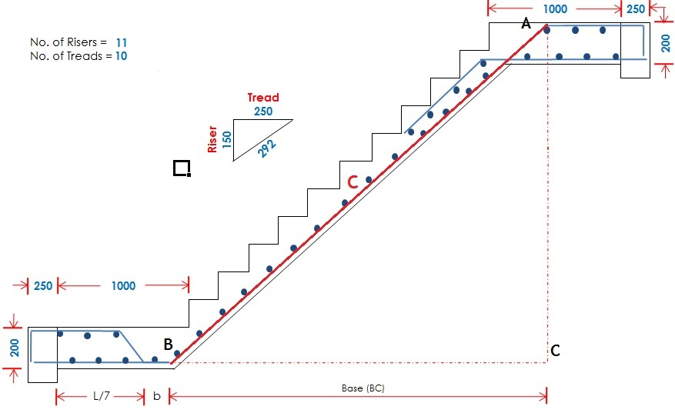
No. of bars = |  | ( Width of flight - Clear Cover ) |  |  |  |  |  |  |  |  | + | 1
 |  | Spacing
No. of bars = |  | 1200 | - | ( | 2 | x | 25 |  | ) | + | 1
 |  | 100
No. of bars = |  | 1150 | + | 1
 |  | 100
No. of bars = |  | 12.5 | = | 13 |  |  | Nos |  | (Say)

 | No. of Crank Bars = |  | 7 |  | Nos |  | = | Bar Shape No. 1
 | No. of Normal Bars = |  |  | 6 | Nos |  | = | Bar Shape No. 2

Designed By: Engr WASEEM RAJA

Bar Shape No.1
CALCULATION OF BAR SHAPE NO. 1

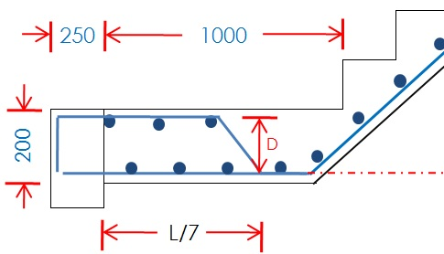
 | For Length of a:
 |  |  |  |  |  |  |  |  |  |  |  |  |  |  |  |  |  |  |  |  |  |  |  |  |  |  |  |  |  |  |  |  |  |  |  |  |  |  |  |  |  | Designed By: Engr WASEEM RAJA
 |  |  |  |  |  |  |  |  |  |  |  |  |  |  |  |  |  |  |  |  |  |  |  |  |  |  |  |  |  |  |  | D = | 200 |  | - | 25 | - | 25
 | a = L/7 + 0.42 D |  |  |  |  |  |  |  |  |  |  |  |  |  |  |  |  |  |  |  |  |  |  |  |  |  |  |  |  |  |  | D = | 150 |  |  | mm
 | a = |  | 4500 |  |  | / | 7 | + | 0.42 |  | x | 150
a
 | a = |  | 706 |  |  | mm |  |  |  |  |  |  |  |  |  |  |  |  |  |  |  |  |  |  |  |  |  |  |  |  |  | Cover for Stair = 25mm

 | For Length of c:

 |  |  |  |  |  |  |  |  |  | A
 |  |  |  |  |  |  |  |  |  |  |  |  |  |  |  |  |  |  | D
 |  |  |  |  |  |  |  |  |  |  |  |  |  | 292
 |  |  |  |  | C |  |  |  |  | 1800 |  |  |  |  |  |  |  |  | 150
 |  |  |  |  |  |  |  |  |  |  |  |  |  |  |  |  |  |  |  |  |  |  |  |  |  |  |  |  |  |  |  |  |  |  |  |  |  |  |  |  |  |  |  | AC = Depth of Beam + Tot No. of Risers - (2 x CC)
 |  |  |  |  |  |  |  |  |  |  |  |  |  |  |  |  |  |  |  |  |  |  |  |  |  |  |  |  |  |  |  |  |  |  |  |  |  |  |  |  |  |  |  | AC = |  |  | 200 |  | + | ( | 11 |  | x | 150 | ) | - | ( | 2 | x | 25 | )
 |  |  |  |  |  |  |  |  |  |  |  |  |  |  |  |  |  |  |  |  |  |  |  |  |  |  |  |  |  |  |  |  |  |  |  |  |  |  |  |  |  |  |  | AC = |  |  | 1800 |  |  | mm

 |  | B |  |  | base |  |  |  |  | C |  | E |  |  | 250 |  |  |  | F
 |  |  |  |  |  |  |  |  |  |  |  |  |  |  |  |  |  |  |  |  |  |  |  |  |  |  |  |  |  |  |  |  |  |  |  |  |  |  |  |  |  |  |  | For Base (BC):
 | By Proportion Theorem, |  |  |  |  |  |  |  |  |  |  |  |  |  |  |  |  |  |  |  |  |  |  |  |  |  |  |  |  |  |  |  |  |  |  |  |  |  |  |  |  |  |  | BC |  | = | AC
 |  | AB |  | = | AC |  |  |  |  |  |  |  |  |  |  |  |  |  |  |  |  |  |  |  |  |  |  |  |  |  |  |  |  |  |  |  |  |  |  |  |  |  |  | EF |  |  | DF
 |  | DE |  |  | DF |  |  |  |  |  |  |  |  |  |  |  |  |  |  |  |  |  |  |  |  |  |  |  |  |  |  |  |  |  |  |  |  |  |  |  |  |  |  | BC |  |  | = | 1800
 |  | C |  |  | = | 1800 |  |  |  |  |  |  |  |  |  |  |  |  |  |  |  |  |  |  |  |  |  |  |  |  |  |  |  |  |  |  |  |  |  |  |  |  |  | 250 |  |  |  | 150
 |  | 292 |  |  |  | 150 |  |  |  |  |  |  |  |  |  |  |  |  |  |  |  |  |  |  |  |  |  |  |  |  |  |  |  |  |  |  |  |  |  |  |  |  |  | BC (Base) = |  |  |  |  | 3000 |  |  | mm
 |  |  | c = |  | 3504 |  |  | mm

 | For Length of d:

 | d = |  | 1000 |  |  | - | LM |  | Y |  |  |  |  |  |  |  | D
 |  |  |  |  |  |  |  |  |  |  |  | 292
 |  |  |  |  |  |  |  |  | 100 |  |  |  |  |  |  |  | 150

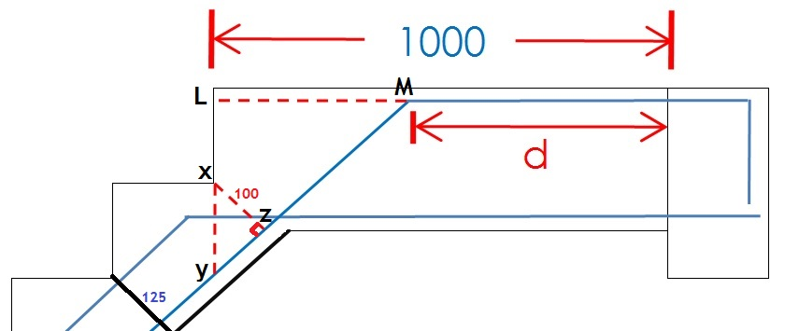

 | X |  |  |  |  |  |  | Z |  | E |  |  | 250 |  |  |  | F
 | LY = LX + XY
 | From Triangle XYZ and DEF
150
125
 | XY |  | = | YZ
 | DE |  |  | EF
 | XY |  |  | = | 100 |  |  |  | XY = |  | 116.80 |  |  | mm
 | 292 |  |  |  | 250

 | LY = |  | LX + XY =
 | LY = |  | ( | 150 |  | - | 25 |  | ) | + | 116.80
 | LY = |  | 241.80 |  |  | mm

 | Again from triangle LMY and DEF
 | L |  |  |  |  |  |  | M |  | F |  |  | 250 |  |  |  | E

241.80 |  |  |  |  |  |  |  |  | 150
 |  |  |  |  |  |  |  |  |  |  |  |  | 292

 | Y |  |  |  |  |  |  |  |  | D
 |  | LM |  | = | LY
 |  | FE |  |  | FD
 |  | LM |  |  | = | 241.80 |  |  |  | LM = |  | 403.00 |  |  | mm
 |  | 250 |  |  |  | 150

 |  | d = |  | 1000 |  |  | - | LM |  | = | 1000 |  |  | - | 403.00
 |  | d = |  | 597.00 |  |  | mm

 | For Length of b:

 | b = L - L/7 - (BC) - d
 | b = |  | 4500 |  |  | - | ( | 4500 |  |  | / | 7 | ) | - | 3000 |  | - | 597.00
 | b = |  | 260.14285714 |  |  | mm
 |  |  |  |  |  |  |  |  |  |  |  |  |  |  |  |  |  |  |  |  |  |  |  |  |  |  |  |  |  |  |  |  |  | Cover for Beam = 30 mm
 | Cutting Length of Bar Shape No. 1: |  |  |  |  |  |  |  |  |  |  |  |  |  |  |  |  |  |  |  |  |  |  |  |  |  |  |  |  |  |  |  |  | Dev. Length = (Breadth - CC) + (Depth - CC)
 |  |  |  |  |  |  |  |  |  |  |  |  |  |  |  |  |  |  |  |  |  |  |  |  |  |  |  |  |  |  |  |  |  | Dev. Length = |  |  |  |  | ( | 250 | - | 30 | ) | + | ( | 200 |  | - | 30 |  | )
 | Cutt Length = a + b + c + d + development length - 45 Bends - 90 Bends |  |  |  |  |  |  |  |  |  |  |  |  |  |  |  |  |  |  |  |  |  |  |  |  |  |  |  |  |  |  |  |  | Dev. Length = |  |  |  |  | 390 |  | mm
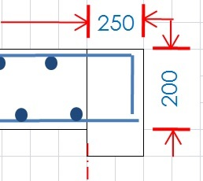
 | Cutt Length = |  |  |  |  |  | 706 |  |  | + | 260.14285714 |  |  | + | 3504 |  | + | 597.00 |  |  | + | ( 2 x Dev Length ) - ( 4 x d ) - ( 2 x 2d )
 | Cutt Length = |  |  |  |  |  | 5067.00 |  |  | + | ( | 2 | x | 390 |  | ) | - | ( | 4 | x | 10 |  | ) | - | ( | 2 | x | 2 | x | 10 | ) |  |  | For 90 Deg Bend = 2d
 | Cutt Length = |  |  |  |  |  | 5067.00 |  |  | + | 780 |  |  | - | 40 |  | - | 40 |  |  |  |  |  |  |  |  |  |  |  |  |  |  |  | Fo 45 Deg Bend = d
 | Cutt Length of Bar Shape No. 1 = |  |  |  |  |  |  |  |  |  |  |  | 5767.00 |  |  | mm |  |  | = |  | 5.767 |  |  | m

 | Total Length of Bar Shapes No. 1:

 | No. of Bars = |  |  |  |  | 7
 | Total Length = |  |  |  |  |  | 5.767 |  |  | x | 7
 | Total Length = |  |  |  |  |  | 40.37 |  |  |  | m

Bar Shape No.2
CALCULATION OF BAR SHAPE NO. 2

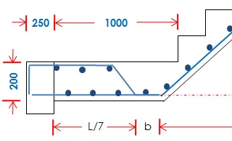
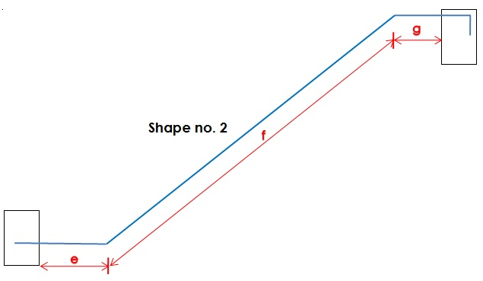
 | For Length of e:

 | e = L/7 + b
 | e = |  | 4500 |  | / | 7 | + | 260.14
 | e = |  | 903 |  | mm

 | For Length of f:
e
 | f = c ( because boh bars are similar)
 | f = | 3504 |  | mm

 | For Length of g:

 | g = d (because both bars are similar)
 | g = |  | 597.00 |  | mm

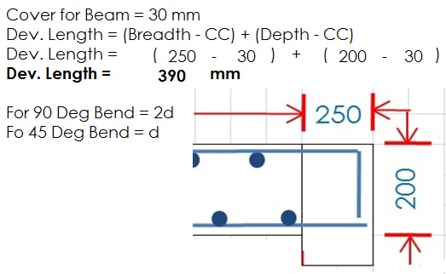
 | Cutting Length of Bar Shape No. 2:

 | Cutt Length = e + f + g + Development Length + LS Extra Length - 45 Deg Bends - 90 Deg Bends
 | Cutt Length = |  |  |  | 903 |  |  | + | 3504 |  |  | + | 597.00 |  |  | + | 390 |  |  | + | 220 |  | - | ( 2 x d ) - ( 1 x 2d )
 | Cutt Length = |  |  |  | 5614.00 |  |  | - | ( | 2 | x | 10 |  | ) | - | ( | 1 | x | 2 | x | 10 | )
 | Cutt Length = |  |  |  | 5614.00 |  |  | - | 20 |  |  | - | 20
 | Cutt Length = |  |  |  | 5574.00 |  |  |  | mm
 | Cutt Length = |  |  |  | 5.57 |  |  |  | m

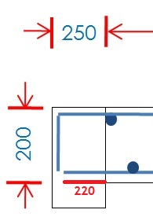

 |  |  |  |  |  |  |  |  |  |  |  |  |  |  |  |  |  |  |  |  |  |  |  |  | Left Side Extra Length = Breadth of Beam - CC
 |  |  |  |  |  |  |  |  |  |  |  |  |  |  |  |  |  |  |  |  |  |  |  |  | Left Side Extra Length = | 250 | - | 30
 |  |  |  |  |  |  |  |  |  |  |  |  |  |  |  |  |  |  |  |  |  |  |  |  | Left Side Extra Length = | 220

 | Total Length of Bar Shapes No. 2:

 | No. of Bars = |  |  | 6
 | Total Length = Cutt Length x No. of Bars
 | Total Length = |  |  |  | 5.57 |  |  |  | x | 6
 | Total Length = |  |  |  | 33.44 |  |  |  | m

Designed By: Engr WASEEM RAJA

Bar Shape No.3
CALCULATION OF BAR SHAPE NO. 3

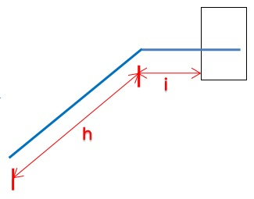
 | For Length of h: |  |  |  |  |  |  |  |  |  |  |  |  |  |  |  |  |  |  |  |  | Designed By: Engr WASEEM RAJA

 | h = | 450 |  | mm |  | (Given)
 | For Length of i: |  |  |  |  |  |  |  |  |  |  |  | Q |  | D |  | 250 |  |  |  | E

 |  |  |  |  |  |  |  |  |  |  |  |  |  | 150 | 150 |  | 292 |  |  |  | MO = slab thickness - 2(cc)
 |  |  |  |  |  |  |  |  |  |  |  |  |  |  |  |  |  |  |  |  | MO = |  | 125 | - | 2 | X | 25
 |  |  |  |  |  |  |  |  |  |  |  |  |  |  |  |  |  |  |  |  | MO = |  | 75 |  | mm
 | M |  |  |  |  | P
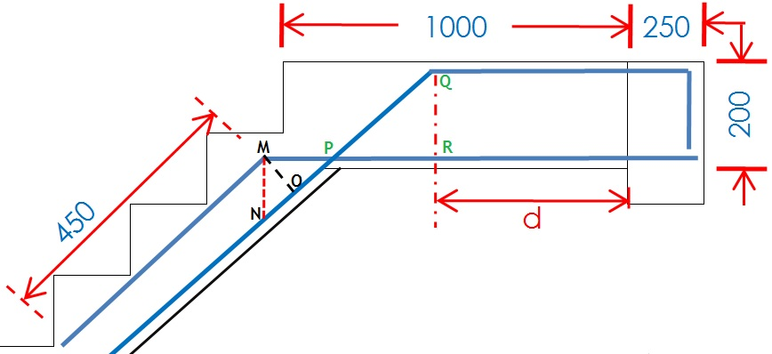
 |  | 75 |  |  |  |  |  |  |  |  |  |  | R |  | F |  |  |  |  |  | QR = Landing thickness - 2(cc)
 |  |  |  |  |  | From Triangle MNO and DEF |  |  |  |  |  |  |  |  |  |  |  |  |  |  | QR = |  | 200 | - | 2 | X | 25
 |  |  |  |  |  | MN |  | = | MO |  |  |  |  |  |  |  |  |  |  |  | QR = |  | 150 |  | mm
 |  |  | O |  |  | FE |  |  | DE
 | N |  |  |  |  | MN |  |  | = | 75 |  |  |  |  | MN = |  | 87.60 |  | mm
 |  |  |  |  |  | 292 |  |  |  | 250

i
 |  |  |  |  |  | Again From Triangle MNP and DEF
 |  |  |  |  |  | MP |  | = | MN
 |  |  |  |  |  | DE |  |  | DF
 |  |  |  |  |  | MP |  |  | = | 87.60 |  |  |  |  | MP = |  | 146 |  | mm
 |  |  |  |  |  | 250 |  |  |  | 150

 |  |  |  |  |  | Again From Triangle PQR and DEF
 |  |  |  |  |  | PR |  | = | QR
 |  |  |  |  |  | DE |  |  | DF
 |  |  |  |  |  | PR |  |  |  | 150.00 |  |  |  |  | PR = |  | 250 |  | mm
 |  |  |  |  |  | 250 |  |  |  | 150

 |  |  |  |  |  | I = MP + PR + d
 |  |  |  |  |  | I = | 146 |  |  | + | 250 |  |  | + | 597.00
 |  |  |  |  |  | I = | 993.00 |  |  |  | mm

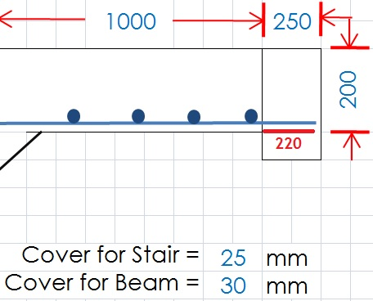
 | Cutting Length of Bar Shape No. 3:

 |  | Cutt Length = h + I + Development Length - 45 Deg Bend
 |  | Cutt Length = |  |  |  | 450 |  |  | + | 993.00 |  |  | + | 220 |  |  | - | d
 |  | Cutt Length = |  |  |  | 1663.00 |  |  | - | 10
 |  | Cutt Length = |  |  |  | 1653.00 |  |  |  | mm
 |  | Cutt Length = |  |  |  | 1.65 |  |  |  | m

 |  |  |  |  |  |  |  |  |  |  |  |  |  |  |  |  |  |  |  | Dev. Length = Breadth of Beam - CC
 |  |  |  |  |  |  |  |  |  |  |  |  |  |  |  |  |  |  |  | Dev. Length = |  |  |  | 250 |  |  | - | 30
 |  |  |  |  |  |  |  |  |  |  |  |  |  |  |  |  |  |  |  | Dev. Length = |  |  |  | 220 |  |  | mm
 |  |  |  |  |  |  |  |  |  |  |  |  |  |  |  |  |  |  |  | For 45 Deg Bend = d
 |  |  |  |  |  |  |  |  |  |  |  |  |  |  |  |  |  |  |  | Cover for Stair = 30 mm
 | No. oh Bars:

 | No. of bars = |  |  |  | ( Width of flight - Clear Cover ) |  |  |  |  |  |  |  |  |  |  | + | 1
 |  |  |  |  | Spacing
 | No. of bars = |  |  |  | 1200 |  |  | - | ( | 2 | x | 25 |  | ) | + | 1
 |  |  |  |  | 200
 | No. of bars = |  |  |  | 1150 |  |  | + | 1
 |  |  |  |  | 200
 | No. of bars = |  |  |  | 6.75 |  |  | = | 7 |  |  | Nos |  | (Say)

 | Total Length of Bar Shapes No. 3:

 | No. of Bars = |  |  |  | 7
 | Total Length = Cutt Length x No. of Bars
 | Total Length = |  |  |  | 1.65 |  |  |  | x | 7
 | Total Length = |  |  |  | 11.16 |  |  |  | m

BB in Landing No.1
CALCULATION OF BINDER BARS IN LANDING NO. 1

 | BOTTOM BINDER BARS
 | Cutt Length for Bottom Binder Bars in Landing: |  |  |  |  |  |  |  |  |  |  | Designed By: Engr WASEEM RAJA

 | Cutt Length = Length of Landing - (2 x Cover)
 | Cutt Length = | 2500 | - | ( | 2 | x | 25 |  | )
 | Cutt Length = | 2500 | - | 50 |  |  | = | 2450 |  | mm
 | Cutt Length = | 2.45 | m

 | No. of Bottom Binder Bars in Landing:

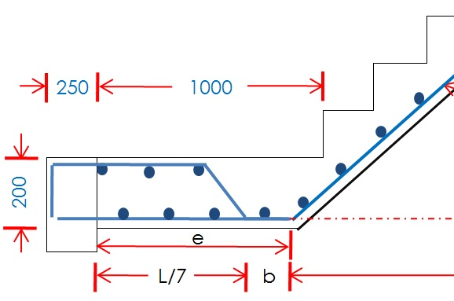
 | No. of bars = | Width of Landing No. 1 ( e ) |  |  |  |  |  |  |  | + | 1
 |  | Spacing
 | No. of bars = | 903 | + | 1
 |  | 150
 | No. of bars = | 7.02 | = | 7 |  |  | Nos |  | (Say)

 | Total Length of Bottom Binder bars in Landing:

 | No. of Bars = | 7
 | Total Length = Cutt Length x No. of Bars
 | Total Length = | 2.45 |  | x | 7
 | Total Length = | 17.15 |  | m

 | TOP BINDER BARS
 | Cutt Length for Top Binder Bars in Landing:

 | Cutt Length = Length of Landing - (2 x Cover)
 | Cutt Length = | 2500 | - | ( | 2 | x | 25 |  | )
 | Cutt Length = | 2500 | - | 50 |  |  | = | 2450 |  | mm
 | Cutt Length = | 2.45 | m

 | No. of Top Binder Bars in Landing:

 | No. of bars = | width of B/U Bar in Landing ( L/7 ) |  |  |  |  |  |  |  | + | 1
 |  | Spacing
 | No. of bars = | 643 | + | 1
 |  | 150
 | No. of bars = | 643 | + | 1
 |  | 150
 | No. of bars = | 5.29 | = | 5 |  |  | Nos |  | (Say)

 | Total Length of Top Binder bars in Landing:

 | No. of Bars = | 5
 | Total Length = Cutt Length x No. of Bars
 | Total Length = | 2.45 |  | x | 5
 | Total Length = | 12.25 |  | m

